6-Sankey Diagram Instructions
6- Sankey Diagram Instructions Sheet

This worksheet contains guideance on how to create a Sankey diagram for the Urban Energy Balance of a city

Step 1: Determine all significant fuel types for each end-use
 | Below is an initial list of common fuel types and common units of sale, though other fuel types and units may exist
 | If a particular fuel type for an end use represents less than 1% of total city energy consumption, it is acceptable to eliminate it from the calculations for simplicity and clarity.
 | It is important to include all Municipal energy consumption and fuel types even if they represent less than 1% of total energy of the city for municipal inventory purposes

 |  |  |  | Common Units |  |  | Source or purpose of consumption
 |  | Transportation
 |  | - Diesel, Gas |  | gallons, Liters |  |  | private cars, motorcycles, busses, trucks
 |  | - LPG |  | kg, m3, Liters |  |  | taxis, LPG converted vehicles
 |  | - CNG |  | kg, m3, Liters |  |  | taxis, CNG converted vehicles
 |  | - Kerosine |  | kg, Liters |  |  | motorcycles, busses
 |  | - Electricity |  | kWh, MWh |  |  | trains, light rail,

 |  | Industrial
 |  | - Electricity |  | kWh, MWh |  |  | industrial processes, building energy, equipment
 |  | - Diesel, Gas |  | gallons, Liters |  |  | industrial vehicle fleet, light duty truck fleet
 |  | - Coal |  | kg, tons |  |  | direct fired furnace or boiler for industrial processes
 |  | - LPG |  | kg, m3, Liters |  |  | direct fired furnace or boiler for industrial processes

 |  | Commercial
 |  | - Electricity |  | kWh, MWh |  |  | commercial processes, building uses: lighting, A/C, computers
 |  | - Diesel, Gas |  | gallons, Liters |  |  | commercial vehicle fleet, light duty truck fleet
 |  | - Natural Gas |  | m3, therms |  |  | building space heating, hot water

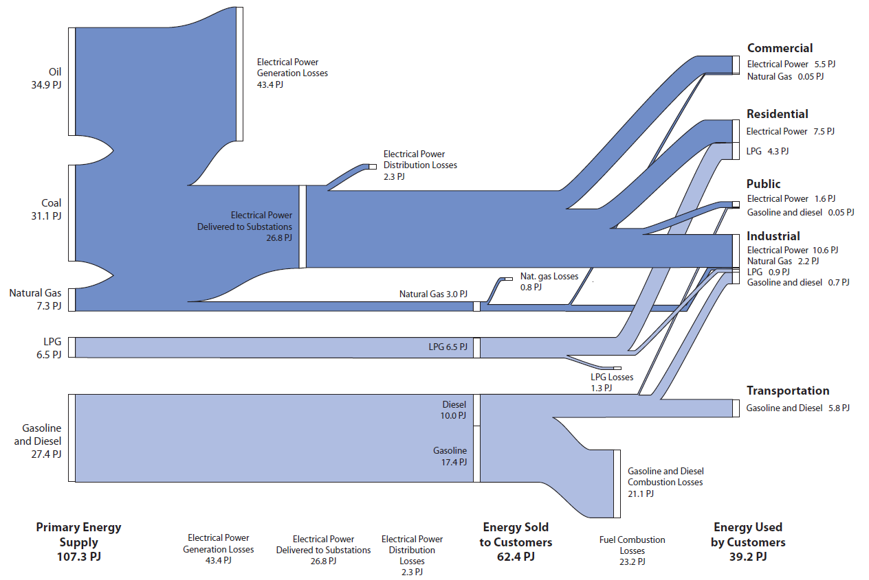
 |  | Residential
 |  | - Electricity |  | kWh, MWh |  |  | building end-uses: lighting, A/C, appliances, computers
 |  | - Natural Gas |  | m3, therms |  |  | space heating, hot water\
 |  | - Fuel Oil |  | m3, Liters, kg |  |  | building space heating, hot water
 |  | - LPG |  | kg, m3, Liters |  |  | cooking fuel, space heating, hot water
 |  | - Kerosine |  | Liters, m3, kg |  |  | cooking fuel, space heating, hot water
 |  | - Biomass |  | kg, tons |  |  | cooking fuel, space heating

 |  | City
 |  | - Electricity |  | kWh, MWh |  |  | street lighting, building uses, water and wastewater, solid waste
 |  | - Natural Gas |  | m3, therms |  |  | building heating, hot water
 |  | - Diesel, Gas |  | gallons, Liters |  |  | municipal vehicle fleet, solid waste vehicles

Step 2: Collect fuel sale data for each fuel type for each end-use

 | For each selected end-use fuel type above, identify the data source (utility, authority or agency which sells the fuel or regulates the sale of fuel)
 | For each data source identify the appropriate level and department in which to contact
 | Make a formal data request and set up a meeting to discuss data
 | Following receipt of data, discuss contextual and supplemental data to confirm units, boundary conditions, time periods, and information on end-uses

Step 3: Convert fuel sale data into a common energy unit (MJ, TJ, etc.)

 | Make careful unit conversions for each end-use fuel type
 | For common energy balance conversions use reference conversions below or on the following calculation sheet
 | For uncommon fuel types and units use a reliable source

 |  | Fuel Type |  |  | Conversion |  |  | Notes
 |  | Electricity | 1 | kWh | = | 3.6 | MJ

 |  | Diesel | 1 | gal | = | 135.5 | MJ
 |  |  | 1 | L | = | 35.8 | MJ
 |  |  | 1 | kg | = | 42.8 | MJ
 |  |  | 1 | L | = | 0.837 | kg

 |  | Gasoline | 1 | gal | = | 121.3 | MJ
 |  |  | 1 | L | = | 32.1 | MJ
 |  |  | 1 | kg | = | 43.1 | MJ
 |  |  | 1 | L | = | 0.745 | kg

 |  | Natural Gas | 1 | m3 | = | 38.2 | MJ
 |  |  | 1 | kg | = | 53.2 | MJ
 |  |  | 1 | m3 | = | 0.717 | kg

 |  | LPG | 1 | gal | = | 88.1 | MJ
 |  |  | 1 | L | = | 25.4 | MJ | @ 1.5 MPa
 |  |  | 1 | kg | = | 49.3 | MJ | @ 1.5 MPa
 |  |  | 1 | kg | = | 1.96 | L | @ 1.5 MPa
 |  |  |  |  |  |  |  |  | Other Unit conversions
 |  | CNG | 1 | gal | = |  | MJ | @20MPa | 1 | MT (metric tonne) | = | 1,000 | kg
 |  |  | 1 | L | = | 9.3 | MJ
 |  |  | 1 | kg | = | 50.0 | MJ

 |  | Kerosine | 1 | gal | = |  | MJ
 |  |  | 1 | L | = |  | MJ

 |  | Fuel Oil | 1 | L | = | 38.5 | MJ
 |  |  | 1 | m3 | = |  | MJ
 |  |  | 1 | kg | = | 43.8 | MJ
 |  |  | 1 | bbl | = | 140 | kg

 |  | Coal | 1 | kg | = | 27 | MJ | Bituminous
 |  |  | 1 | kg | = | 23 | MJ | Sub-Bituminous
 |  |  | 1 | kg | = | 15 | MJ | Lignite
 |  |  | 1 | L | = | 1.32 | kg
 |  |  | 1 | acre-ft | = | 1800 | short ton

Step 4: Calculate total site-energy consumption by fuel type

 | Sum all fuel type consumption estimates together to determine total energy consumption by fuel type
 | Use calculation sheet on following tab 'Energy Balance Calculation Sheet' and see example calculation method

Step 5: Calculate (or estimate) primary source-energy fuel consumption for electricity consumption

 | Method 1: Specific power plant contributions
 |  | Identify all power plants in the region
 |  | Calculate primary fuel consumption for electricity by estimating electricity generated by individual power plants.
 |  | For calculation support, see calculation tab 'Primary Fuel for Electricity Calc' and use calculation Method 1
 |  | Sum all primary fuel types for electricity consumption

OR

 | Method 2: Estimate based on regional or national electricity mix
 |  | Obtain regional or national electricity generation fuel
 |  | Multiply electricity generated by fuel mix percentages to obtain primary fuel consumption for electricity generation
 |  | For calculation support, see calculation tab 'Primary Fuel for Electricity Calc' and use calculation Method 2
 |  | Sum all primary fuel types for electricity consumption

Step 6: Calculate total primary source-energy fuel type energy consumption

 | Sum all primary source-energy fuel types across all end-uses

